SYSTEM DIAGRAM
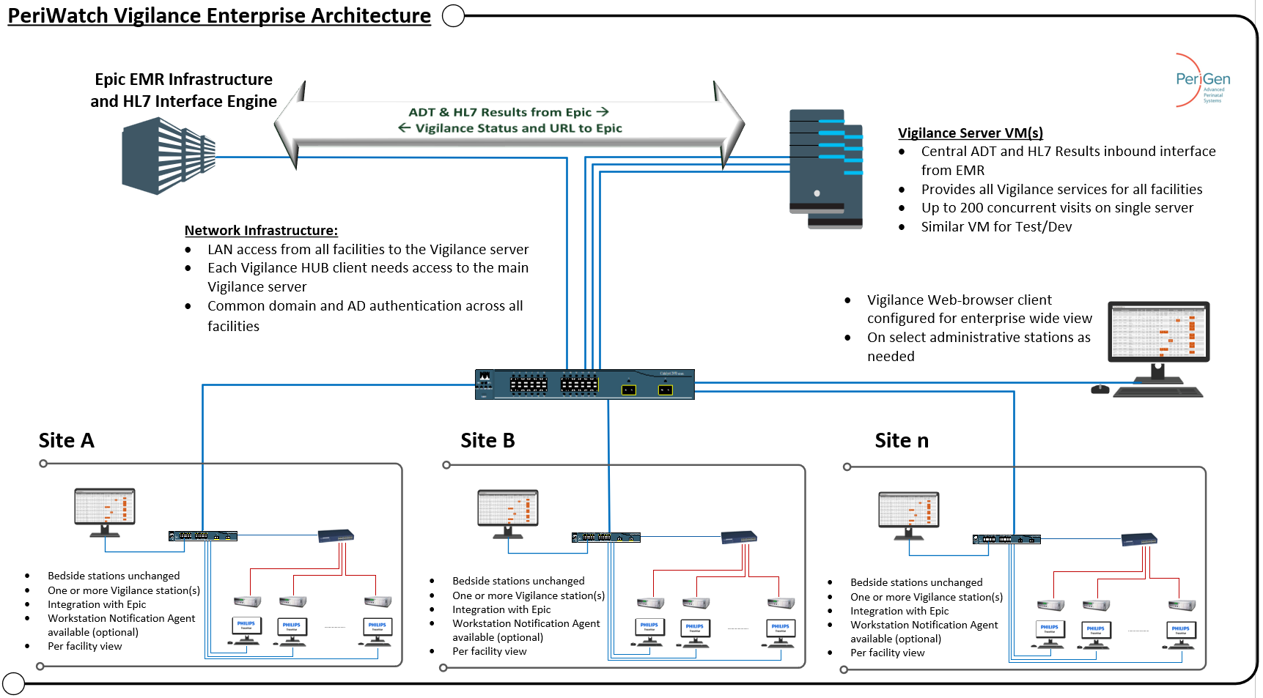
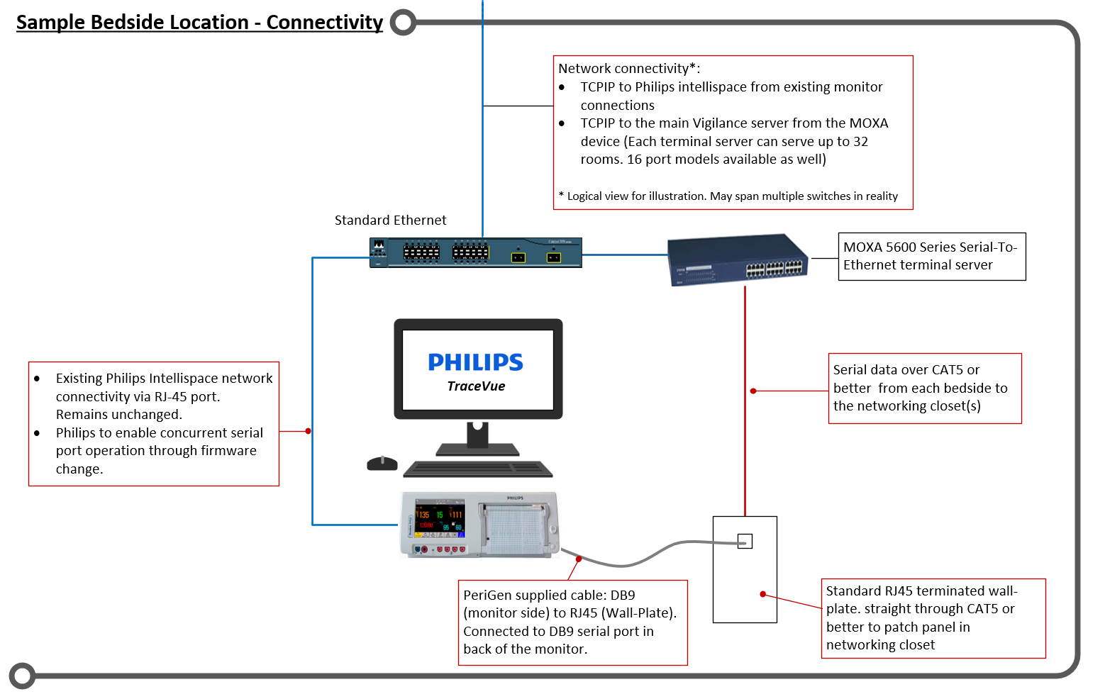
System Diagram

Architectural Design (Vendor / NYP IT Owner Use Only)
Please insert a graphic image containing a diagram of the recommended system architecture on this page

